Sheet1
User story 1:

Requirment | Test conditions | Test cases (Test suite) | Bugs
The user access to product page without login | access to product page | Product_TC_001

The user want to search products with keywords by click button search | search products | Product_TC_002
The user want to search products with keywords by press enter from keyword |  | Product_TC_003 | Product_BUG_001
The user will find the products related to search keywords |  | Product_TC_004
The user wouldn't find the products related to search keywords |  | Product_TC_005 | Product_BUG_002
The search keywords result appeared in first list in one product and other related results to these keywords should appear next | should appear next products | Product_TC_006 | Product_BUG_003
The boxes that contain the product details should be aligned together | Same dimensions height and width of products | Product_TC_007 | Product_BUG_004

Test Cases

ID | Test title | Test preconditions | Test steps | Test data | Expected results | Actual result | Test enviroment | Test status
Product_TC_001 | Check the user can enter product page without login | Should be on https://www.automationexercise.com/products | 1- open https://www.automationexercise.com 2-Click on product link. | productPage open successfully | productPage open successfully | productPage open successfully | we are testing on chrome browser - automation excercise production environemnt | pass
Product_TC_002 | The user can search by click button search | To be in product page https://www.automationexercise.com/products | 1- open https://www.automationexercise.com/products 2-enter keyword in search field. 3- click on search button | search product: blue click on search button | All related search results is shown in productPage | All related search results is shown in productPage | we are testing on chrome browser - automation excercise production environemnt | pass
Product_TC_003 | The user can search by pressing enter from keyboard | To be in product page https://www.automationexercise.com/products | 1- open https://www.automationexercise.com/products 2-enter keyword in search field. 3- pressing enter from keyboard | search product: blue pressing enter from keyboard | All related search results is shown in productPage | All related search results didn't shown in product Page | we are testing on chrome browser - automation excercise production environemnt | fail
Product_TC_004 | Check the search result is contain the search product | To be in product page https://www.automationexercise.com/products | 1- open https://www.automationexercise.com/products 2-enter keyword in search field. 3- click on search button | search product: blue click on search button | All search result is contain the search keyword. | All search result is contain the search keyword. | we are testing on chrome browser - automation excercise production environemnt | pass
Product_TC_005 | Check the error message if there are no matching results | To be in product page https://www.automationexercise.com/products | 1- open https://www.automationexercise.com/products 2-enter keyword in search field. 3- click on search button | search product: shose click on search button | There is no results related to this search keyword | No message had appeared | we are testing on chrome browser - automation excercise production environemnt | fail
Product_TC_006 | Check the result of search product is appeared in first list in one product and other related results appear next | To be in product page https://www.automationexercise.com/products | 1- open https://www.automationexercise.com/products 2-enter keyword in search field. 3- click on search button 4-check results of products | search product: blue top click on search button | the result of search product is appeared in first list in one product and other related results appear next | the result of search product is appeared in first list in one product and other related results didn't appear next | we are testing on chrome browser - automation excercise production environemnt | fail
Product_TC_007 | Check the box of products have the same dimensions height and width | To be in product page https://www.automationexercise.com/products | 1- open https://www.automationexercise.com/products 2-enter keyword in search field. 3- click on search button 4-check the box of products | search product: blue click on search button check the box of products | the box of products have the same dimensions height and width | The boxes of products have differnent dimensions height and width | we are testing on chrome browser - automation excercise production environemnt | fail

Bug report

ID | Bug title | Bug preconditions | Steps to reproduce bug | Expected results | Actual results | Test enviroment | Bug severity | Bug priority | Evidence
Product_BUG_001 | the user can't search by pressing enter from keyboard | To be in product page https://www.automationexercise.com/products | 1- open https://www.automationexercise.com/products 2-enter keyword in search field. 3- pressing enter from keyboard | All related search results is shown in productPage | All related search results didn't shown in product Page | we are testing on chrome browser - automation excercise production environemnt | critical | medium | 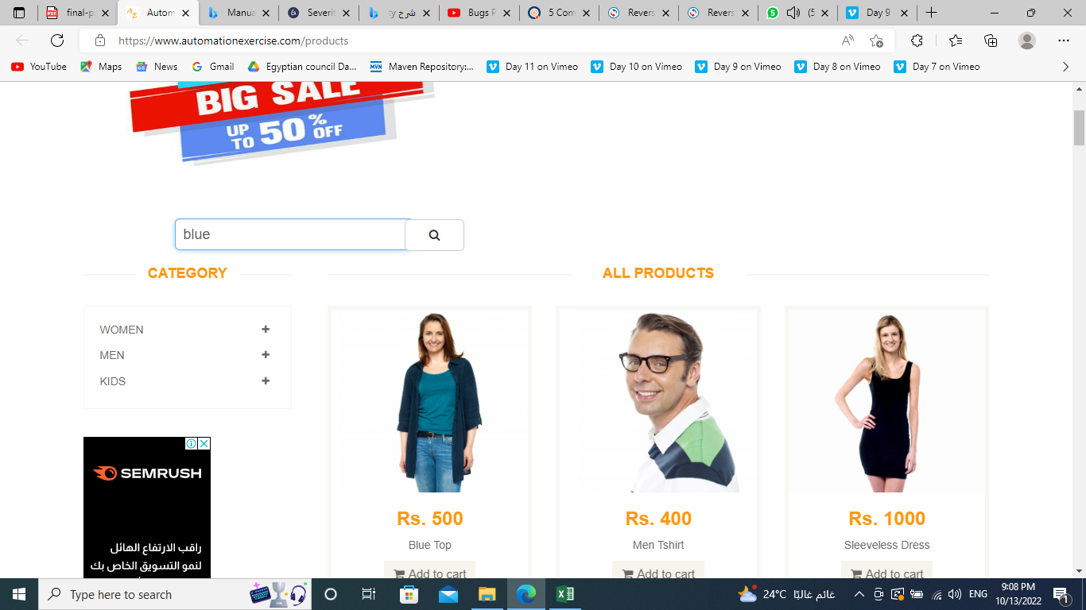
Product_BUG_002 | There is no error message if there are no matching results | To be in product page https://www.automationexercise.com/products | 1- open https://www.automationexercise.com/products 2-enter keyword in search field. 3- click on search button | There is no results related to this search keyword | No message had appeared | we are testing on chrome browser - automation excercise production environemnt | critical | high | 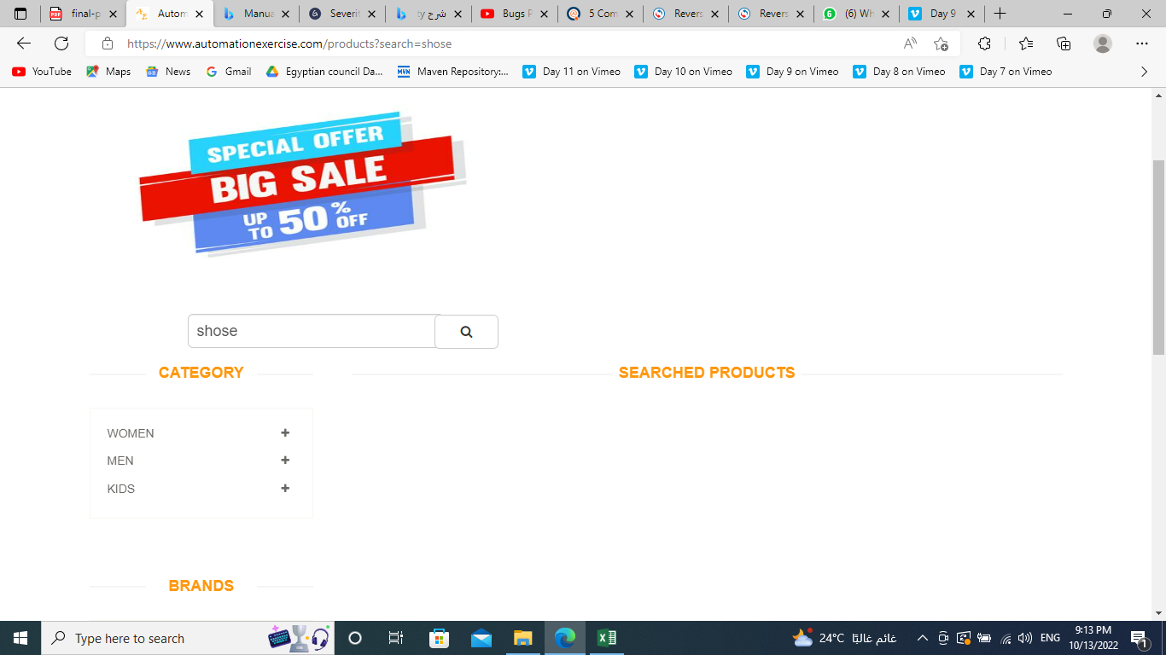
Product_BUG_003 | Check the result of search product is appeared in first list in one product and other related results appear next | To be in product page https://www.automationexercise.com/products | 1- open https://www.automationexercise.com/products 2-enter keyword in search field. 3- click on search button 4-check results of products | the result of search product is appeared in first list in one product and other related results appear next | the result of search product is appeared in first list in one product and other related results didn't appear next | we are testing on chrome browser - automation excercise production environemnt | critical | high | 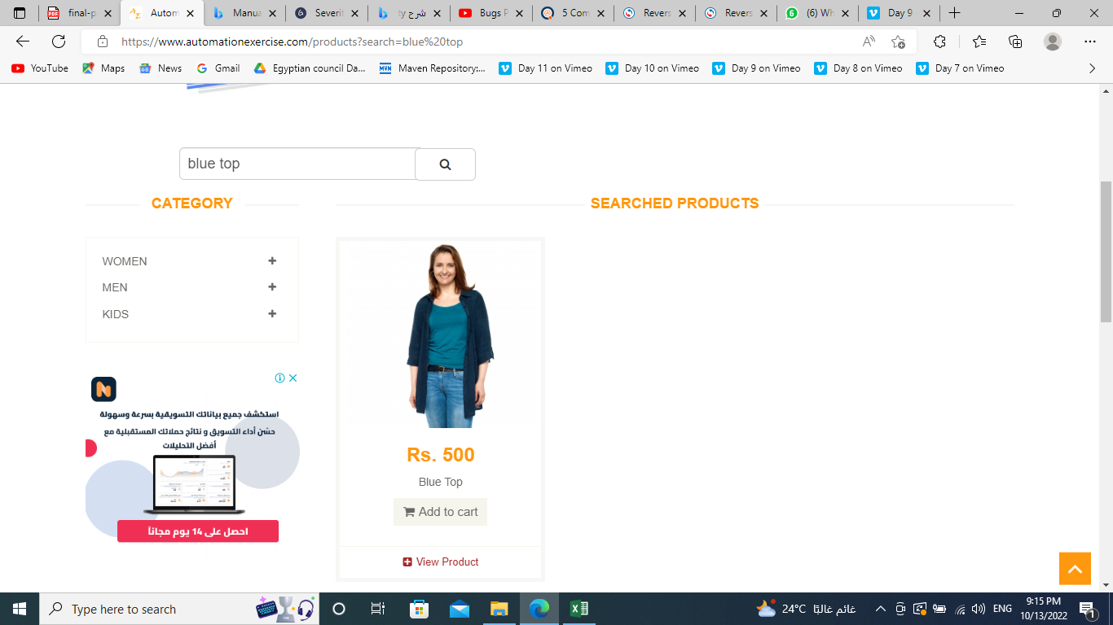
Product_BUG_004 | Check the box of products have the same dimensions height and width | To be in product page https://www.automationexercise.com/products | 1- open https://www.automationexercise.com/products 2-enter keyword in search field. 3- click on search button 4-check the box of products | the box of products have the same dimensions height and width | The boxes of products have differnent dimensions height and width | we are testing on chrome browser - automation excercise production environemnt | critical | high | 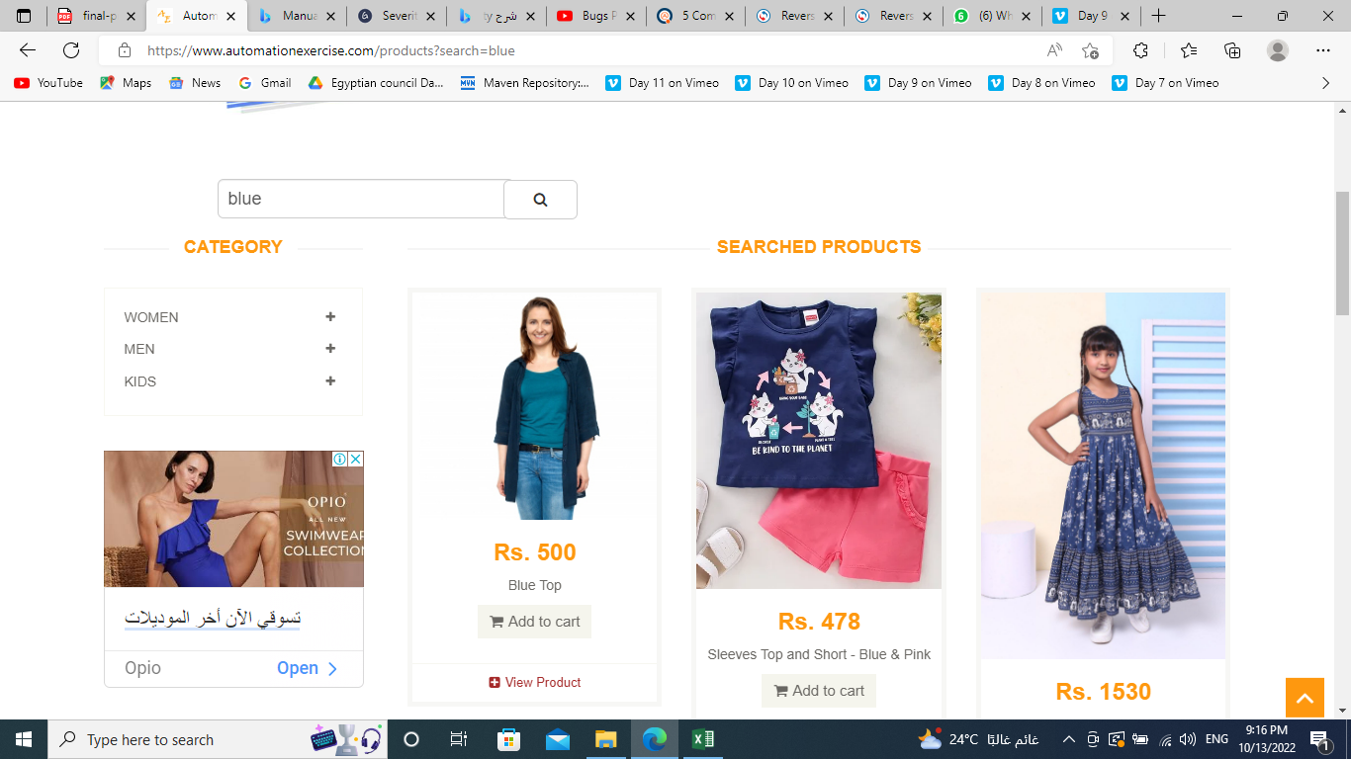

User story 2:

Requirment | Test conditions | Test cases (Test suite) | Bugs
The user access to cart page without login | access to cart page | Cart_TC_001
The user can see the added products to the cart. | Show selected items | Cart_TC_002
User can see details of these products before checkout | View product details | Cart_TC_003
The table should contain 6 columns (Item, Description, Price, Quantity, Total, Remove) | View table of cart | Cart_TC_004
Check the quantity is equal the product that has been selected | Check quantity | Cart_TC_005
Check the quantity is equal the product that has been selected multiple times | Check quantity | Cart_TC_006
Check the quantity is equal the multiple products that has been selected | Check quantity | Cart_TC_007
Check the total price should change according to the quantity of the added products | Check the total price | Cart_TC_008
User should be able to control the quantity of the products from cart page | check control the quantity of the products from cart page | Cart_TC_009 | Cart_BUG_001
User should be able to remove product from his cart by clicking the X sign | check on X sign | Cart_TC_010

Test Cases

ID | Test title | Test preconditions | Test steps | Test data | Expected results | Actual result | Test enviroment | Test status
Cart_TC_001 | Check the user can enter cart page without login | Should be on https://www.automationexercise.com/view_cart | 1- open https://www.automationexercise.com 2-click on cart link. | cartPage open successfully | cartPage open successfully | cartPage open successfully | we are testing on chrome browser - automation excercise production environemnt | pass
Cart_TC_002 | Check the user can see the added products to the cart. | Should be on https://www.automationexercise.com/view_cart | 1- open https://www.automationexercise.com/view_cart 2-show selected items | Show selected items | display the all of product added | display the all of product added | we are testing on chrome browser - automation excercise production environemnt | pass
Cart_TC_003 | Check the user can see details of these products before checkout | Should be on https://www.automationexercise.com/view_cart | 1- open https://www.automationexercise.com/view_cart 2-view product details | View product details | View product details before checkout | View product details before checkout | we are testing on chrome browser - automation excercise production environemnt | pass
Cart_TC_004 | Check the table contain 6 columns (Item, Description, Price, Quantity, Total, Remove) | Should be on https://www.automationexercise.com/view_cart | 1- open https://www.automationexercise.com/view_cart 2-view table of cart | View table of cart | There are six columns in this table. | There are six columns in this table. | we are testing on chrome browser - automation excercise production environemnt | pass
Cart_TC_005 | Check the quantity is equal the product that has been selected | Should be on https://www.automationexercise.com/view_cart | 1- open https://www.automationexercise.com/view_cart 2-check quantity | Check quantity | The quantity is equal the product that has been selected | The quantity is equal the product that has been selected | we are testing on chrome browser - automation excercise production environemnt | pass
Cart_TC_006 | Check the quantity is equal the product that has been selected multiple times | Should be on https://www.automationexercise.com/view_cart | 1- open https://www.automationexercise.com/view_cart 2-check quantity | Check quantity | The quantity is equal the product that has been selected multiple times | The quantity is equal the product that has been selected multiple times | we are testing on chrome browser - automation excercise production environemnt | pass
Cart_TC_007 | Check the quantity is equal the multiple products that has been selected | Should be on https://www.automationexercise.com/view_cart | 1- open https://www.automationexercise.com/view_cart 2-check quantity | Check quantity | The quantity is equal the multiple products that has been selected | The quantity is equal the multiple products that has been selected | we are testing on chrome browser - automation excercise production environemnt | pass
Cart_TC_008 | Check the total price can change according to the quantity of the added products | Should be on https://www.automationexercise.com/view_cart | 1- open https://www.automationexercise.com/view_cart 2- check the total price | Check the total price | The total price is based on the quantity of products added. | The total price is based on the quantity of products added. | we are testing on chrome browser - automation excercise production environemnt | pass
Cart_TC_009 | Check the user can control the quantity of the products from cart page | Should be on https://www.automationexercise.com/view_cart | 1- open https://www.automationexercise.com/view_cart 2- check control the quantity of the products from cart page | check control the quantity of the products from cart page | The user can control the quantity of the products from cart page | The user can't control the quantity of the products from cart page | we are testing on chrome browser - automation excercise production environemnt | fail
Cart_TC_0010 | Check the user can remove product from his cart by clicking the X sign | Should be on https://www.automationexercise.com/view_cart | 1- open https://www.automationexercise.com/view_cart 2-click on X sign | Click on X sign | The product is remove successfully | The product is remove successfully | we are testing on chrome browser - automation excercise production environemnt | pass

Bug report

ID | Bug title | Bug preconditions | Steps to reproduce bug | Expected results | Actual results | Test enviroment | Bug severity | Bug priority | Evidence
Cart_BUG_001 | Check the user can't control the quantity of the products from cart page | Should be on https://www.automationexercise.com/view_cart | 1- open https://www.automationexercise.com/view_cart 2- check control the quantity of the products from cart page | The user can control the quantity of the products from cart page | The user can't control the quantity of the products from cart page | we are testing on chrome browser - automation excercise production environemnt | critical | high

